Line Charts
Order Month-Year | Order Quantity | Sales | Type 1 | Line Charts
Jan-09 | 5552 | $516,302.96
Feb-09 | 4027 | $332,480.64
LINE CHART
Mar-09 | 4258 | $411,628.73
Apr-09 | 4512 | $393,276.48 |  | Line charts are good for showing trends over time for single or multiple quantities on a single chart.
May-09 | 4829 | $230,145.54 |  | Let's create a line chart for trends of Sales and Order Quantity over 'Order Month-Year'.
Jun-09 | 4176 | $263,456.07
Jul-09 | 4815 | $380,503.97
Aug-09 | 4880 | $329,754.71
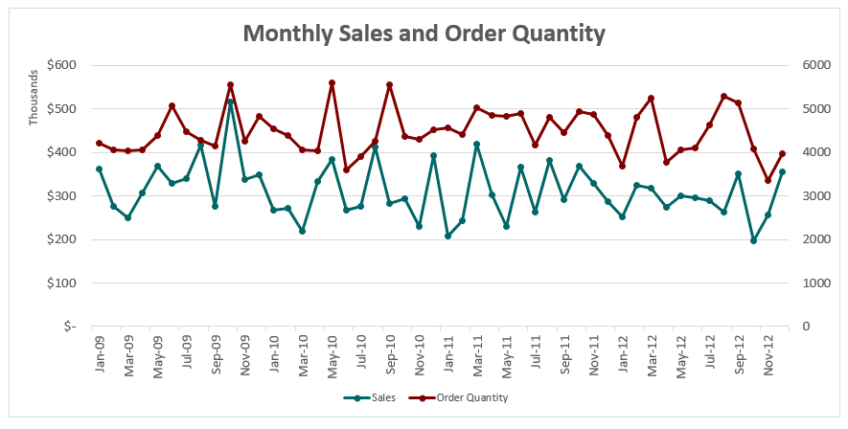
Sep-09 | 4805 | $325,292.31
Oct-09 | 4215 | $361,555.27
Nov-09 | 4036 | $248,933.43
Dec-09 | 4275 | $415,809.35
Jan-10 | 4248 | $336,526.68
Feb-10 | 4386 | $271,580.51
Mar-10 | 4061 | $217,808.01
Apr-10 | 3600 | $266,968.59
May-10 | 5554 | $283,534.28
Jun-10 | 4370 | $293,080.67
Jul-10 | 4304 | $229,885.50
Aug-10 | 4558 | $207,937.01
Sep-10 | 5020 | $418,343.28
Oct-10 | 4892 | $365,251.99
Nov-10 | 4463 | $290,670.35
Dec-10 | 4928 | $368,093.95
Jan-11 | 3673 | $251,467.23
Feb-11 | 4051 | $299,890.14
Mar-11 | 4108 | $296,035.87
Apr-11 | 4623 | $288,213.40
May-11 | 5283 | $262,628.50
Jun-11 | 4077 | $197,740.85
Jul-11 | 4391 | $287,905.19
Aug-11 | 3781 | $274,578.48
Sep-11 | 4055 | $276,049.80
Oct-11 | 4047 | $305,660.45
Nov-11 | 4397 | $367,769.50
Dec-11 | 5078 | $328,877.31
Jan-12 | 4479 | $340,626.51
Feb-12 | 4138 | $276,132.50
Mar-12 | 4837 | $348,208.33
Apr-12 | 4535 | $268,024.97
May-12 | 5607 | $384,588.06
Jun-12 | 3911 | $276,580.94
Jul-12 | 4419 | $242,809.70
Aug-12 | 4848 | $302,745.12
Sep-12 | 5236 | $318,271.57
Oct-12 | 5124 | $351,246.73
Nov-12 | 3355 | $256,020.10
Dec-12 | 3960 | $354,709.34

Pie Charts
 |  | Type 2 | Pie Charts

 |  |  | Pie charts are used to showcase contribution(s) of a single quantity between different segments
Ship Mode | Sales |  | For example, Sales by Ship Mode is a view that could be represented using a Pie Chart.
Delivery Truck | $6,224,878.72 |  | Pie charts are rarely used in delivery accounts in Mu Sigma. Tread with caution!
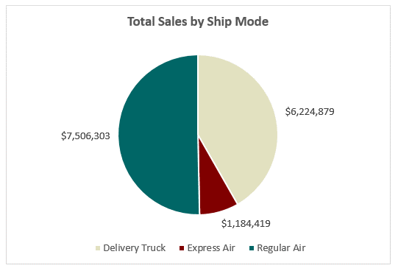
Express Air | $1,184,418.90
Total Sales by Ship Mode
Regular Air | $7,506,303.21

100% Stacked Bar Charts
 |  |  |  |  | Type 3 | 100% Stacked Bar Charts

Order Month-Year | Consumer | Corporate | Home Office | Small Business |  | Stacked Bar Charts are used to depict the trend over time of a single quantity, distributed across groups.
Jan-09 | $86,488.63 | $185,956.22 | $159,017.55 | $84,840.57 |  | Stacked Bar Charts could be used to represent absolute values, or % contributions as in 100% Stacked Bar Charts.
Feb-09 | $97,164.56 | $117,262.40 | $81,648.24 | $36,405.44 |  | Let's create a 100% Stacked Bar chart for Monthly Sales contribution (%) of various Customer Segments
Mar-09 | $169,332.25 | $99,007.40 | $65,968.30 | $77,320.78
Stack Bar Charts
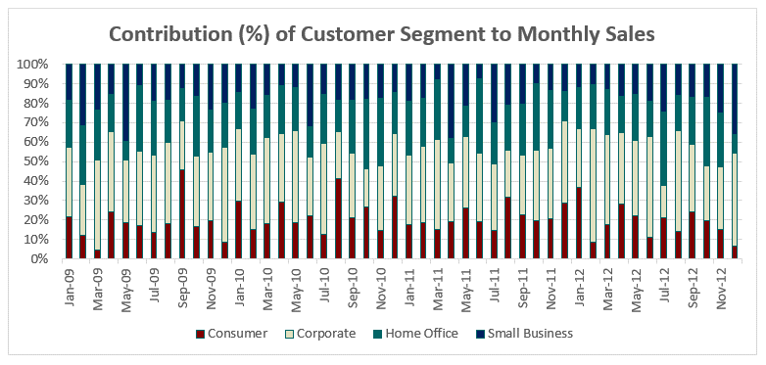
Apr-09 | $127,135.20 | $126,713.91 | $82,970.45 | $56,456.91
May-09 | $60,767.96 | $83,472.84 | $36,522.05 | $49,382.68
Jun-09 | $38,516.83 | $90,137.62 | $54,925.02 | $79,876.59
Jul-09 | $121,235.69 | $92,041.93 | $87,492.71 | $79,733.64
Aug-09 | $67,756.88 | $118,986.14 | $98,869.64 | $44,142.06
Sep-09 | $28,878.41 | $188,156.60 | $73,234.13 | $35,023.17
Oct-09 | $78,605.63 | $129,369.81 | $85,967.91 | $67,611.92
Nov-09 | $11,787.32 | $114,749.89 | $63,211.85 | $59,184.37
Dec-09 | $75,152.40 | $172,661.33 | $90,486.96 | $77,508.66
Jan-10 | $66,291.63 | $117,345.45 | $72,916.82 | $79,972.78
Feb-10 | $40,907.34 | $104,948.44 | $63,485.31 | $62,239.42
Mar-10 | $40,021.44 | $95,311.26 | $47,767.48 | $34,707.82
Apr-10 | $59,092.32 | $79,851.05 | $42,231.47 | $85,793.75
May-10 | $60,567.41 | $93,353.86 | $77,194.60 | $52,418.41
Jun-10 | $78,935.48 | $57,340.72 | $103,763.71 | $53,040.76
Jul-10 | $34,118.44 | $75,239.50 | $79,547.54 | $40,980.01
Aug-10 | $36,316.47 | $74,194.53 | $57,916.25 | $39,509.76
Sep-10 | $63,708.84 | $192,705.74 | $128,212.43 | $33,716.27
Oct-10 | $69,870.81 | $128,146.27 | $138,773.06 | $28,461.84
Nov-10 | $65,551.95 | $89,617.89 | $75,895.77 | $59,604.73
Dec-10 | $72,697.45 | $133,337.41 | $124,651.25 | $37,407.85
Jan-11 | $92,175.10 | $75,355.30 | $52,985.03 | $30,951.80
Feb-11 | $66,217.67 | $115,471.19 | $71,189.46 | $47,011.81
Mar-11 | $32,914.65 | $153,192.20 | $53,556.65 | $56,372.37
Apr-11 | $60,514.52 | $48,024.16 | $108,788.13 | $70,886.59
May-11 | $36,881.19 | $136,585.44 | $47,161.83 | $42,000.04
Jun-11 | $38,648.39 | $55,393.96 | $69,450.03 | $34,248.47
Jul-11 | $82,924.46 | $121,222.86 | $43,661.23 | $40,096.63
Aug-11 | $77,731.06 | $99,712.81 | $51,683.68 | $45,450.93
Sep-11 | $33,106.43 | $71,945.00 | $83,218.73 | $87,779.64
Oct-11 | $74,190.91 | $125,035.83 | $58,993.16 | $47,440.56
Nov-11 | $69,149.73 | $117,335.53 | $36,001.15 | $145,283.08
Dec-11 | $57,261.39 | $123,990.83 | $111,096.72 | $36,528.38
Jan-12 | $46,352.98 | $134,914.68 | $94,345.34 | $65,013.51
Feb-12 | $126,976.00 | $68,551.57 | $46,524.96 | $34,079.96
Mar-12 | $30,432.32 | $168,781.12 | $79,837.16 | $69,157.73
Apr-12 | $79,662.24 | $99,654.97 | $49,868.72 | $38,839.04
May-12 | $71,417.92 | $181,699.83 | $85,770.68 | $45,699.63
Jun-12 | $35,105.41 | $129,180.41 | $68,689.39 | $43,605.72
Jul-12 | $45,308.18 | $94,877.52 | $60,200.97 | $42,423.03
Aug-12 | $58,646.81 | $90,978.61 | $37,488.53 | $115,631.18
Sep-12 | $56,574.73 | $146,628.81 | $73,403.17 | $41,664.85
Oct-12 | $84,475.96 | $122,643.19 | $84,754.45 | $59,373.13
Nov-12 | $38,388.11 | $82,354.70 | $70,916.57 | $64,360.73
Dec-12 | $24,049.77 | $169,069.96 | $32,507.62 | $129,081.99

Combo Charts
 |  |  | Type 4 | Combination Charts

Order Month-Year | Sales | Profit |  | Combination charts are a useful mix of various chart types (bar, line etc.) on a single chart.
Jan-12 | $340,626.51 | $43,312.51 |  | Clean and easy to visualize, they are very good for representing multiple quantities.
Feb-12 | $276,132.50 | $25,158.41 |  | By using secondary axes, quantities varying significantly in amounts can be represented together clearly.
Mar-12 | $348,208.33 | $37,636.13 |  | Let's create a combo chart for Monthly Sales and Profit, using the primary and secondary axes!
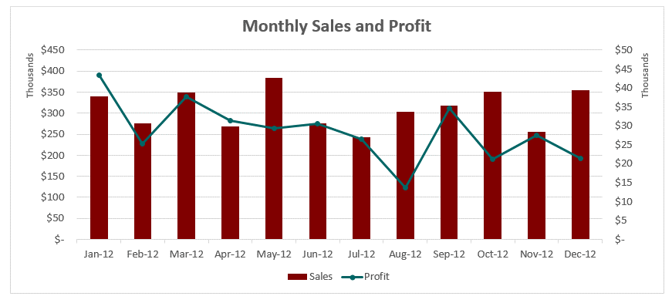
Apr-12 | $268,024.97 | $31,361.04
Month Sales & Profit
May-12 | $384,588.06 | $29,371.46
Jun-12 | $276,580.94 | $30,454.27
Jul-12 | $242,809.70 | $26,393.58
Aug-12 | $302,745.12 | $13,660.98
Sep-12 | $318,271.57 | $34,579.94
Oct-12 | $351,246.73 | $21,137.48
Nov-12 | $256,020.10 | $27,543.04
Dec-12 | $354,709.34 | $21,292.98

